Sheet1
 | Report Product List
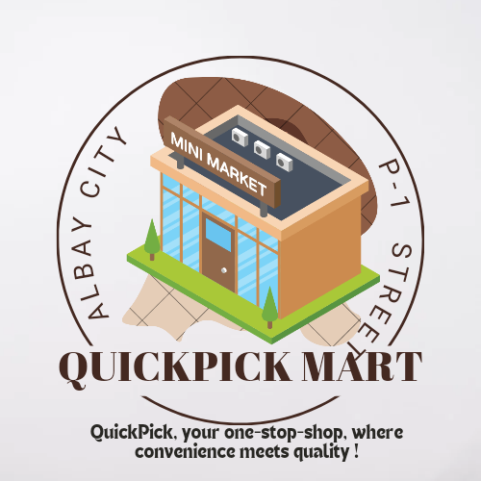

1 | Beauty Products | 100
2 | Beverage | 7000
3 | Food | 5215
4 | BAth Essentials | 115
5 | Animal Foods and Essentials | 4000
6 | Detergents | 400
7 | Skin Care | 51
8 | Seasonal Decors | 130
9 | Cleaning supplies | 30
10 | Others | 105

